Bug Report
Bug Report for Product Store Project:
Project Name | Product store
Created by | Puja Kumari
Creation Date | 2025-01-03

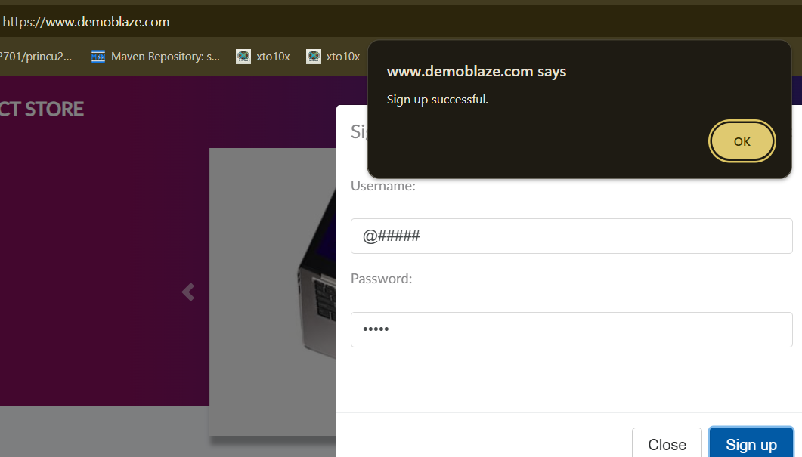
BUG_ID | Priority | Bug Descripation | Pre-Condition | Bug Steps | Expected Result | Actual Results | Status | Executed By | Screenshots/Video Recording
PS_001 | High | User is able to sign up with Number in place of a valid name and password. | 1.Open the Browser 2. Enter the Url - https://www.demoblaze.com | 1. Open Browser 2. Enter Url 3. Click on the sign up | Not user friendly | Not user friendly | Fail | Puja Kumari
PS_002 | High | User is able to sign up with special characters in place of a valid name and password. | 1.Open the Browser 2. Enter the Url - https://www.demoblaze.com | 1.Open the Browser 2. Enter Url 3. Enter special characters (e.g., @####) in the name and password fields. 4.Click on the "Sign Up" button. | Users should validate the name and password fields to ensure they contain only valid characters (letters, numbers, etc.) and reject sign-ups with special characters. | User is able to sign up with special characters in the name and password fields without any validation error. | Fail | Puja Kumari
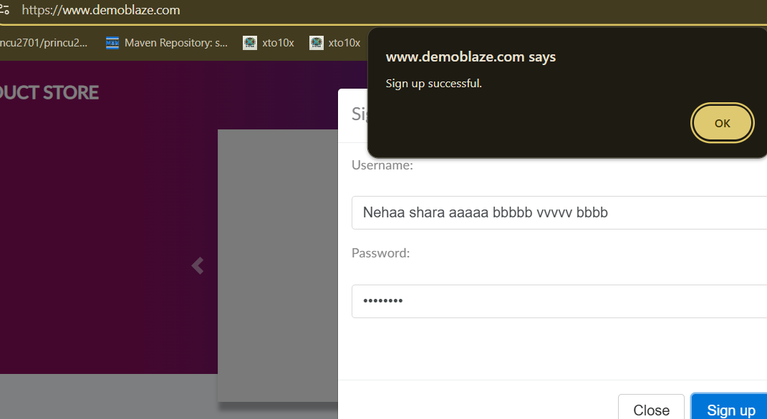
PS_003 | High | Users is able to sign up with password containing spaces | 1.Open the Browser 2. Enter the Url - https://www.demoblaze.com | 1. Good Internet 2. Open Browser 3. Put on Url 4. Click on Signup | It should be User Friendly | Not user friendly | Fail | Puja Kumari
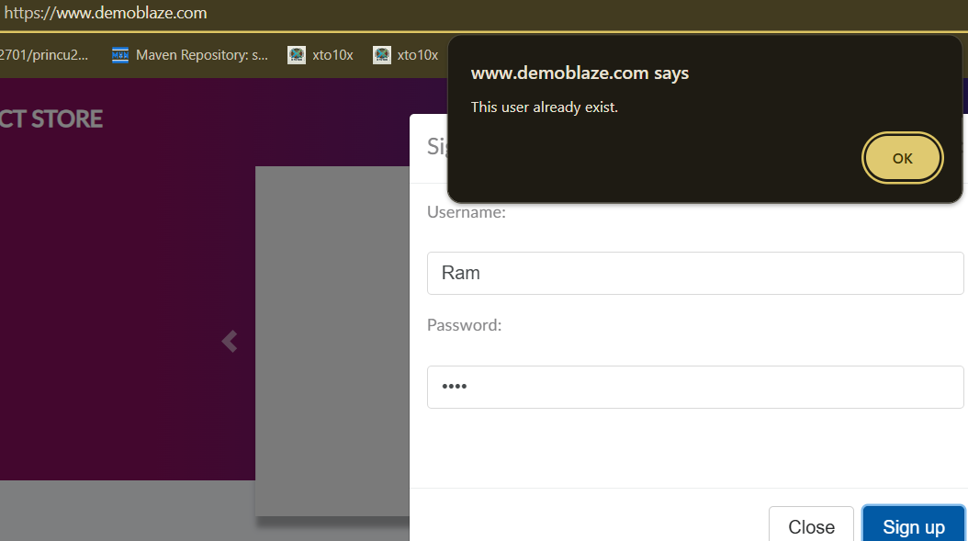
PS_004 | Medium | Verify registration with a username exceeding the character limit | 1.Open the Browser 2. Enter the Url - https://www.demoblaze.com | 1. Good Internet 2. Open Browser 3. Put on Url 4. Click on Signup 5. Enter a username that exceeds the maximum character limit (e.g., more than 30 characters). | It should be User Friendly | Not user friendly | Fail | Puja Kumari
PS_005 | High | Users able to sign up with already sign password but new username | 1.Open the Browser 2. Enter the Url - https://www.demoblaze.com | 1. Good Internet 2. Open Browser 3. Put on Url 4. Click on the "Sign up" button. 5. Enter a valid username. 6. Enter a used password . 7. Click the "Sign up" button. | It should be User Friendly | Not user friendly | Fail | Puja Kumari
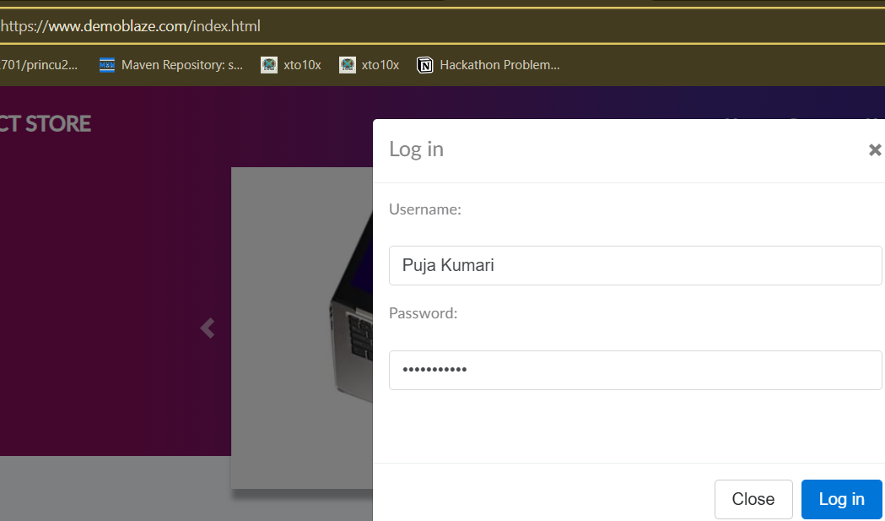
PS_006 | Medium | Users try to login fails when the username is incorrect but the password is correct. | 1.Open the Browser 2. Enter the Url - https://www.demoblaze.com | 1. Good Internet 2. Open Browser 3. Put on Url 4. Click for login 5. Put on incorrect username with ccorrect password | It should be User Friendly | Not user friendly | Fail | Puja Kumari
PS_007 | High | Users try to log in multiple times when checking Forget password link there is no "Forgot Password" feature. | 1.Open the Browser 2. Enter the Url - https://www.demoblaze.com | 1. Good Internet 2. Open Browser 3. Put on Url 4. Click for login 5.Enter a wrong password multiple times. 6.Observe the site’s error messages and user guidance after repeated failed login attempts. | It should be User Friendly | Not user friendly | Fail | Puja Kumari
PS_008 | Medium | Users at the homepage of the website displays all essential elements like the footer are work or not. | 1.Open the Browser 2. Enter the Url - https://www.demoblaze.com | 1. Good Internet 2. Open Browser 3. Put on Url 4. Click on Home 5. Go to bottom 6. Click on footer link | It should be User Friendly | Not user friendly | Fail | Puja Kumari | https://drive.google.com/file/d/1T3un3avDEO8s3S3k1NEUHOxb8png3tZk/view?usp=sharing
PS_009 | Medium | Users at the search bar is visible and accessible on the homepage. | 1.Open the Browser 2. Enter the Url - https://www.demoblaze.com | 1. Good Internet 2. Open Browser 3. Put on Url 4. Click on Home | It should be User Friendly | Not user friendly | Fail | Puja Kumari | https://drive.google.com/file/d/1_IoXgCKDO8Cgy8yuQMmflmI-OD_aOkLA/view?usp=sharing
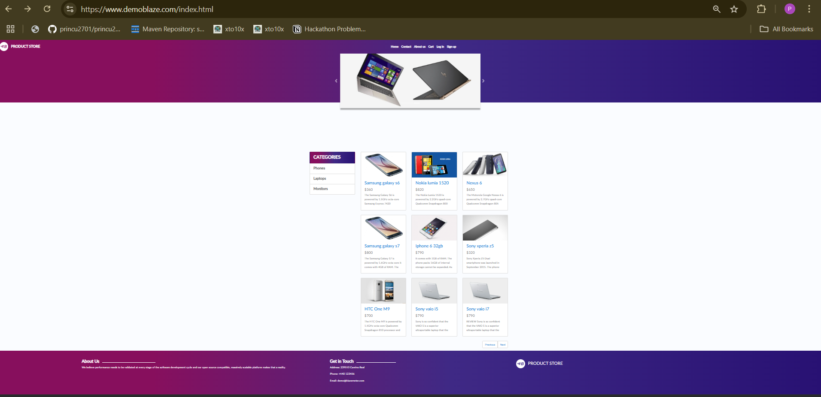
PS_0010 | Medium | User is on the homepage or any page where the search functionality is expected, but it is missing. | 1.Open the Browser 2. Enter the Url - https://www.demoblaze.com | 1. Good Internet 2. Open Browser 3. Put on Url 4. Click on Home 5. Look for any notification, message, or banner indicating that search functionality is unavailable. 6.Verify that the absence is communicated clearly to the user ( | It should be User Friendly | Not user friendly | Fail | Puja Kumari
PS_0011 | High | Users added product "Samsung Galaxy S6" but product is added the cart alert show but count reflact the cart | 1.Open the Browser 2. Enter the Url - https://www.demoblaze.com | 1. Open Browser 2. Put on Url 3. Click on Home 4. Click on any product 5. On the product detail page, click "Add to cart." 6. Verify that the product is successfully added to the cart. 7. Ensure that the cart icon or counter is updated to reflect the added item. | It should be User Friendly | Not user friendly | Fail | Puja Kumari | https://drive.google.com/file/d/1_IoXgCKDO8Cgy8yuQMmflmI-OD_aOkLA/view?usp=sharing
PS_0012 | High | Users when multiple products are added to the cart, the cart count does not reflect the correct number of items. The products are successfully added to the cart, but the cart icon or counter remains unchanged, leading to a mismatch between the actual cart contents and the displayed count. | 1.Open the Browser 2. Enter the Url - https://www.demoblaze.com | 1. Open Browser 2. Put on Url 3. Click on Home 4. Add the first product "Samsung galaxy s6". 5. Check the cart page 6. Add a second product "Nokia lumia 1520" to the cart. 7. Check the cart icon or counter in the header. 8. The cart count remains the same or does not update to reflect the newly added products. | After adding multiple products to the cart, the cart count should reflect the correct number of items | The cart count remains the same even after adding multiple products to the cart. | Fail | Puja Kumari | https://drive.google.com/file/d/1hwJ-Guay00yDR82tMLatD93bzRNdOa1O/view?usp=sharing
PS_0013 | Medium | Users cart is empty when a user has not added any products but not show appropriate message" your cart is empty." | 1.Open the Browser 2. Enter the Url - https://www.demoblaze.com | 1. Good Internet 2. Open the browser 3. Put on Url 4. Click on Home 5.Verify that the cart is empty. | It should be User Friendly | Not user friendly | Fail | Puja Kumari
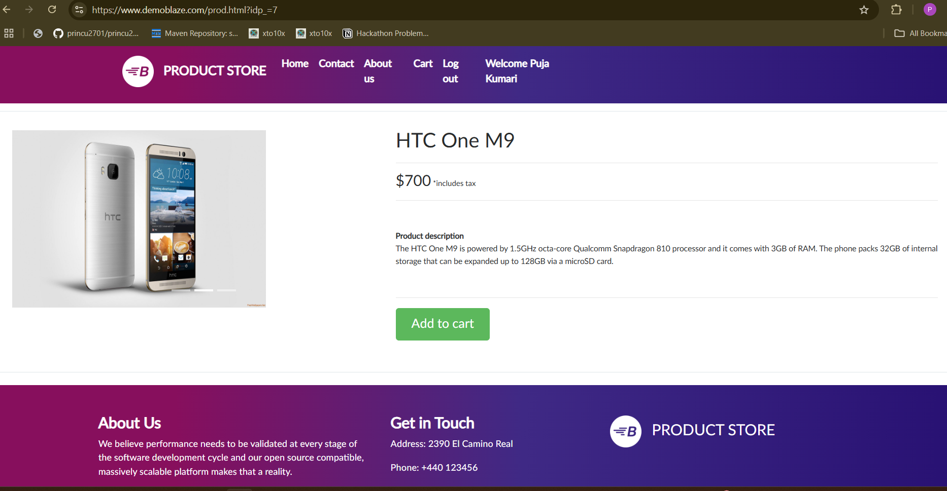
PS_0014 | High | Users are unable to add products to their wishlist as the "Add to Wishlist" button is not visible on the product page. When users click on a product to view its details, the option to add the product to the wishlist is missing. | 1.Open the Browser 2. Enter the Url - https://www.demoblaze.com | 1. Good Internet 2. Open the browser 3. Put on Url 4. Click on Home 5. Select any product 6. Look for the "Add to Wishlist" button on the product page. 7. The "Add to Wishlist" button is not displayed. | It should be User Friendly | Not user friendly | Fail | Puja Kumari
PS_0015 | High | Users Not visible "Wishlist" icon or link should be present in the header or footer for users to easily access their wishlist. | 1.Open the Browser 2. Enter the Url - https://www.demoblaze.com | 1. Open the url 2. Go to login 3. Go to Homepage 4. Look for the "Wishlist" icon or link in the header or footer section of the page. | It should be User Friendly | Not user friendly | Fail | Puja Kumari
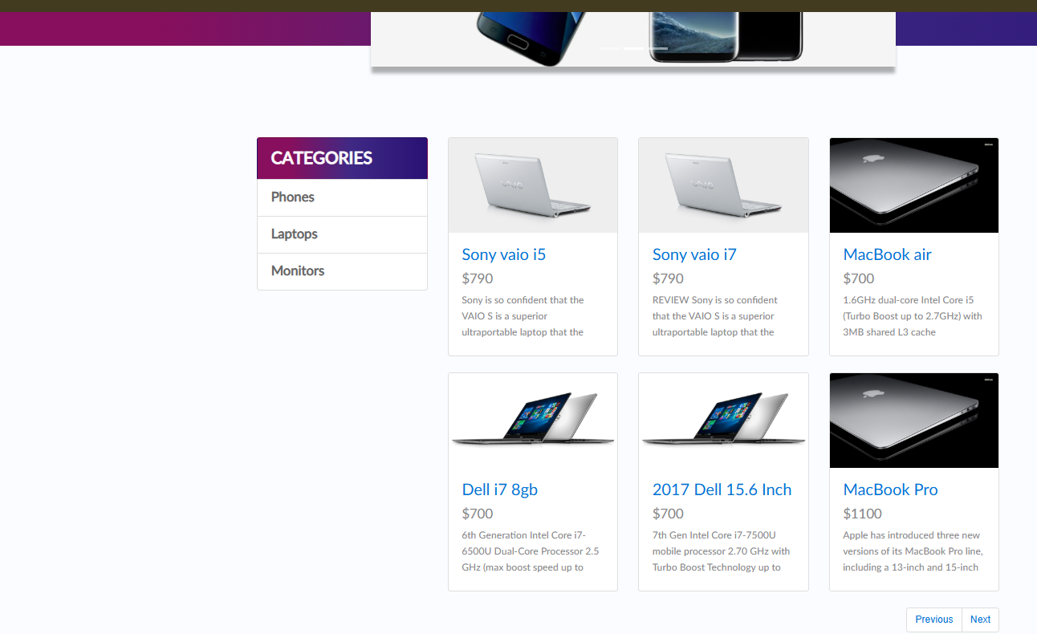
PS_0016 | High | The "Add to Wishlist" button or any related wishlist functionality is missing for signed-in users. Despite being logged into their account, users are unable to add products to their wishlist, which is a key feature for enhancing user engagement and shopping experience. | 1.Open the Browser 2. Enter the Url - https://www.demoblaze.com | 1. Open the url 2. Go to login 3. Go to Homepage 4. Check for the "Add to Wishlist" button 5. Verify that the wishlist feature is not available despite being logged in. | It should be User Friendly | Not user friendly | Fail | Puja Kumari
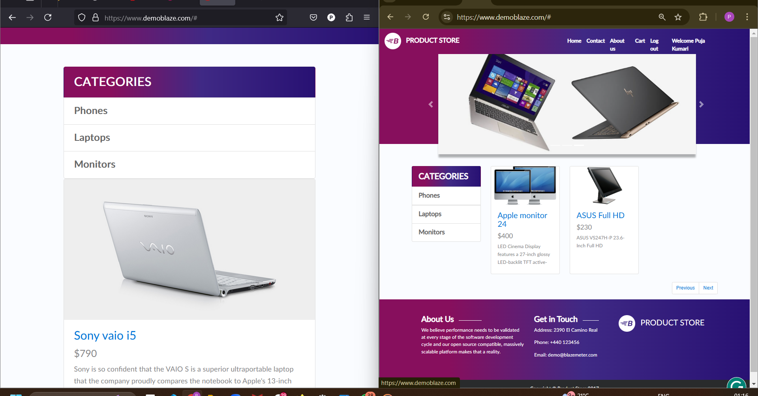
PS_0017 | High | Users check "Add to Wishlist" button or any related wishlist functionality is missing on the product pages across multiple browsers (Chrome, Firefox, etc.) | 1.Open the Browser 2. Enter the Url - https://www.demoblaze.com | 1. Open the url 2. Open the website in different browsers Chrome and Firefox. 3. Browse through the product listing. 4. Click on any product to go to the product detail page. 5. Look for the "Add to Wishlist" button or any wishlist option on the product page | It should be User Friendly | Not user friendly | Fail | Puja Kumari
PS_0018 | Medium | Product visibility in the "Add to Cart" page is delayed, affecting user experience | 1.Open the Browser 2. Enter the Url - https://www.demoblaze.com | 1. Add a product to the cart. 2.Navigate to the "Add to Cart" page. 3.Observe the delay in product visibility. | It should be User Friendly | Not user friendly | Fail | Puja Kumari
PS_0019 | High | The same product appears multiple times in the "Add to Cart" page, leading to redundancy. | 1.Open the Browser 2. Enter the Url - https://www.demoblaze.com | 1. Add a single product to the cart. 2.Navigate to the "Add to Cart" page. 3.Observe if the product appears more than once. | It should be User Friendly | Not user friendly | Fail | Puja Kumari
PS_0020 | Medium | Product deletion from the cart is delayed, making it unresponsive. | 1.Open the Browser 2. Enter the Url - https://www.demoblaze.com | 1.Add a product to the cart. 2.Click on the delete (""X"") button. 3.Observe the delay before the product disappears. | It should be User Friendly | Not user friendly | Fail | Puja Kumari
PS_0020 | Medium | Currency is not displayed in the product listing on the "Add to Cart" page. | 1.Open the Browser 2. Enter the Url - https://www.demoblaze.com | 1.Add a product to the cart. 2.Navigate to the "Add to Cart" page. 3. Check the product price listing. | It should be User Friendly | Not user friendly | Fail | Puja Kumari
PS_0021 | High | The "Place Order" button is clickable even when the cart is empty, which can mislead users | 1.Open the Browser 2. Enter the Url - https://www.demoblaze.com | 1.Go to the cart page without adding any products. 2. Click the "Place Order" button. | It should be User Friendly | Not user friendly | Fail | Puja Kumari
PS_0022 | Low | The delete button ("X") in the cart UI is not easily noticeable, making it difficult for users to remove items | 1.Open the Browser 2. Enter the Url - https://www.demoblaze.com | 1. Add a product to the cart. 2. Look for the delete ("X") button. | It should be User Friendly | Not user friendly | Fail | Puja Kumari
PS_0023 | Medium | Product descriptions are missing, making it difficult for users to verify product details before checkout. | 1.Open the Browser 2. Enter the Url - https://www.demoblaze.com | 1. Add a product to the cart. 2. Navigate to the "Add to Cart" page. 3. Check for product descriptions. | It should be User Friendly | Not user friendly | Fail | Puja Kumari
PS_0024 | Medium | Users cannot adjust product quantity directly from the cart page, forcing them to remove and re-add items | 1.Open the Browser 2. Enter the Url - https://www.demoblaze.com | 1.Add a product to the cart. 2.Try to increase or decrease the quantity from the cart page | It should be User Friendly | Not user friendly | Fail | Puja Kumari
PS_0025 | Low | The cart table’s column borders are missing, too light, or unclear, making it difficult to differentiate between product details (e.g., product name, price, delete button) | 1.Open the Browser 2. Enter the Url - https://www.demoblaze.com | 1. Add multiple products to the cart. 2. Observe the cart table layout. | It should be User Friendly | Not user friendly | Fail | Puja Kumari
PS_0026 | Medium | Product prices and totals do not display decimal places (.00), even for whole numbers, leading to potential confusion (e.g., showing $10 instead of $10.00). | 1.Open the Browser 2. Enter the Url - https://www.demoblaze.com | 1. Add a product with a whole-number price to the cart. 2. Observe the price format. | It should be User Friendly | Not user friendly | Fail | Puja Kumari
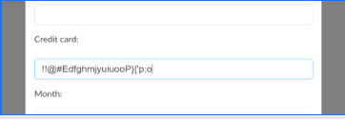
PS_0027 | Medium | Currency type is missing in the total field on the "Add to Cart" page. | 1.Open the Browser 2. Enter the Url - https://www.demoblaze.com | 1. Add a product to the cart. 2. Navigate to the total field. | It should be User Friendly | Not user friendly | Fail | Puja Kumari

PS_0028 | High | Credit Card Box Field accepts any format of characters instead of only numeric values. | 1.Open the Browser 2. Enter the Url - https://www.demoblaze.com | 1. Enter Url 2. Search for the Product 3.Add the Product to the Cart 4.Navigate to the Checkout Page. 5.Enter non-numeric characters in the Credit Card field. 6.User enters non-numeric characters (e.g., "ABC123!@#") in the Credit Card field. 7.Click on the "Purchase" button. | It should be User Friendly | Not user friendly | Fail | Puja Kumari
PS_0029 | High | Only Name and Credit Card fields are marked as mandatory, while other essential fields are not. | 1.Open the Browser 2. Enter the Url - https://www.demoblaze.com | 1. Navigate to the Checkout Page. 2. Check which fields are marked as mandatory. 3. Try proceeding without filling in non-mandatory but essential fields (e.g., Address, Contact). | It should be User Friendly | Not user friendly | Fail | Puja Kumari


PS_0030 | High | Name Field accepts invalid characters instead of restricting to alphabets. | 1.Open the Browser 2. Enter the Url - https://www.demoblaze.com | 1.User enters invalid characters (e.g., "John123!@#") in the Name field. 2.Steps to Reproduce: 3. Navigate to the Checkout Page. 4. Enter special characters or numbers in the Name field. 5.Click "Submit." | It should be User Friendly | Not user friendly | Fail | Puja Kumari
PS_0031 | High | User can place an order without entering the Address, which should be mandatory. | 1.Open the Browser 2. Enter the Url - https://www.demoblaze.com | 1.User has added a product in the cart 2. User is on the Checkout Page 3. Leave the Address field blank. 4. Click "Purchase." | It should be User Friendly | Not user friendly | Fail | Puja Kumari
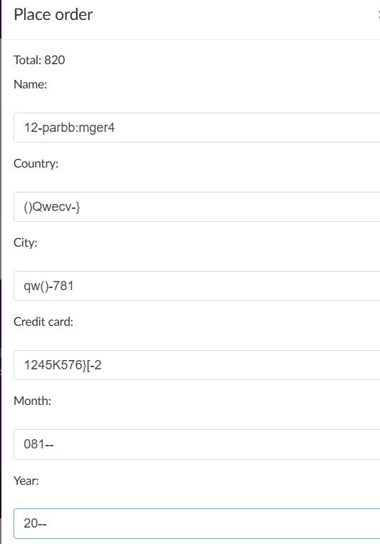
PS_0032 | High | Checkout Box does not provide an option to enter the State Name. | 1.Open the Browser 2. Enter the Url - https://www.demoblaze.com | 1.User has added a product in the cart 2.User is on the Checkout Page 3.Navigate to the Checkout Page. 4. Look for the State Name field. | It should be User Friendly | Not user friendly | Fail | Puja Kumari
PS_0033 | High | Fields like State, City, Country, Month, and Year accept invalid characters instead of proper input formats | 1.Open the Browser 2. Enter the Url - https://www.demoblaze.com | 1.User has added a product in the cart 2.User is on the Checkout Page 3. Enter numbers or special characters in these fields. 4. Click "Submit." | It should be User Friendly | Not user friendly | Fail | Puja Kumari
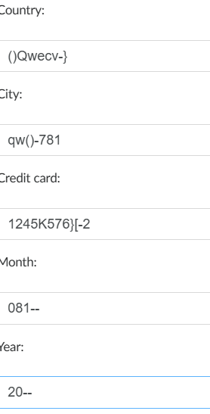
PS_0034 | Medium | Mandatory fields are not highlighted/marked in the Checkout Box. | 1.Open the Browser 2. Enter the Url - https://www.demoblaze.com | 1.User has added a product in the cart 2.User is on the Checkout Page 3. Check for signs (like asterisks) marking mandatory fields. | It should be User Friendly | Not user friendly | Fail | Puja Kumari
PS_0035 | Medium | Empty fields do not trigger any validation message when clicking the "Purchase" button. | 1.Open the Browser 2. Enter the Url - https://www.demoblaze.com | 1.User has added a product in the cart 2.User is on the Checkout Page 3. Leave mandatory fields empty. Click "Purchase." | It should be User Friendly | Not user friendly | Fail | Puja Kumari
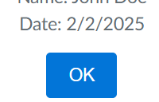
PS_0036 | Critical | An incorrect or unexpected date is displayed after successfully completing a purchase in the small box (e.g., always showing "01/02/2025"). | 1.Open the Browser 2. Enter the Url - https://www.demoblaze.com | 1.User has added a product in the cart 2.User is on the Checkout Page 3. Complete a purchase. 4. Observe the displayed date. | It should be User Friendly | Not user friendly | Fail | Puja Kumari
PS_0037 | Critical | Users can complete the checkout process without logging in, which may lead to security issues. | 1.Open the Browser 2. Enter the Url - https://www.demoblaze.com | 1.User has added a product in the cart 2.User is on the Checkout Page 3. Try completing a purchase without logging in | It should be User Friendly | Not user friendly | Fail | Puja Kumari
PS_0038 | High | No currency type is displayed in the Checkout Box, making it unclear which currency is being used. | 1.Open the Browser 2. Enter the Url - https://www.demoblaze.com | 1.User has added a product in the cart 2.User is on the Checkout Page 3. Look for the currency. | It should be User Friendly | Not user friendly | Fail | Puja Kumari
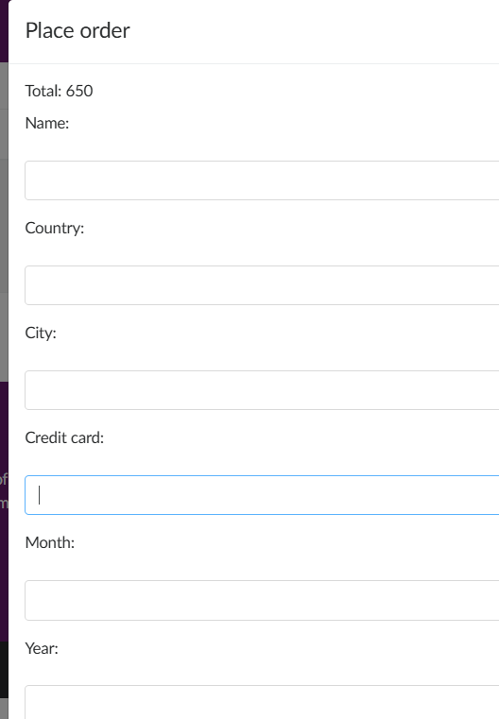
PS_0039 | Critical | Credit Card Details do not have proper format validation, such as the date format (MM/YYYY) and expiration date input. | 1.Open the Browser 2. Enter the Url - https://www.demoblaze.com | 1.User has added a product in the cart 2.User is on the Checkout Page 3. Enter an invalid expiration date format | It should be User Friendly | Not user friendly | Fail | Puja Kumari
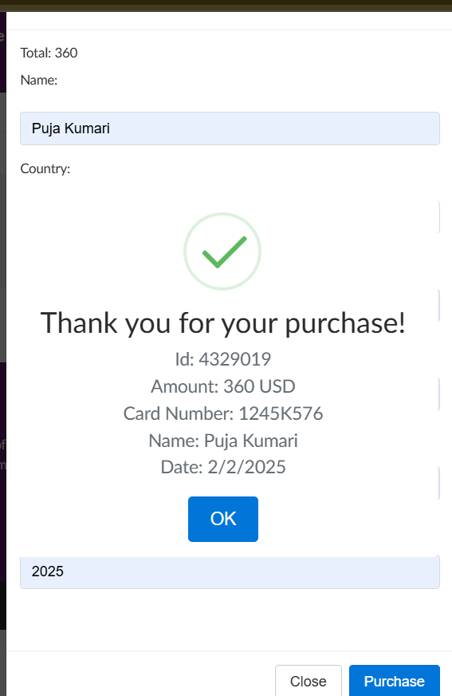
PS_0040 | High | No payment method options are visible in the Checkout Box, preventing users from selecting a preferred payment method. | 1.Open the Browser 2. Enter the Url - https://www.demoblaze.com | 1.User has added a product in the cart 2.User is on the Checkout Page 3. Look for payment method options. | It should be User Friendly | Not user friendly | Fail | Puja Kumari
PS_0041 | High | User found in place of country name only put "IN "this complete checkout process. | 1.Open the Browser 2. Enter the Url - https://www.demoblaze.com | 1. Open the url 2. Go to login 3. Go to Homepage 4. Select the product 5. Add to item to theCart 6. Navigate to the checkout page. 7. Enter invalid shipping details (e.g., incorrect postal code, invalid phone number). | It should be User Friendly | Not user friendly | Fail | Puja Kumari
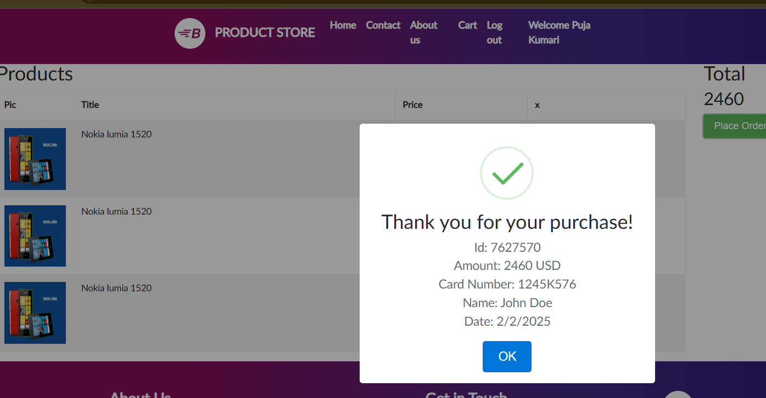
PS_0042 | Medium | Users found that no "Order History" page or link exists in the user account section. | 1.Open the Browser 2. Enter the Url - https://www.demoblaze.com | 1. Open the url 2. Go to login 3. Go to Homepage 4. Check for any available link or button for "Order History." 5.Verify that no "Order History" link is present. | It should be User Friendly | Not user friendly | Fail | Puja Kumari
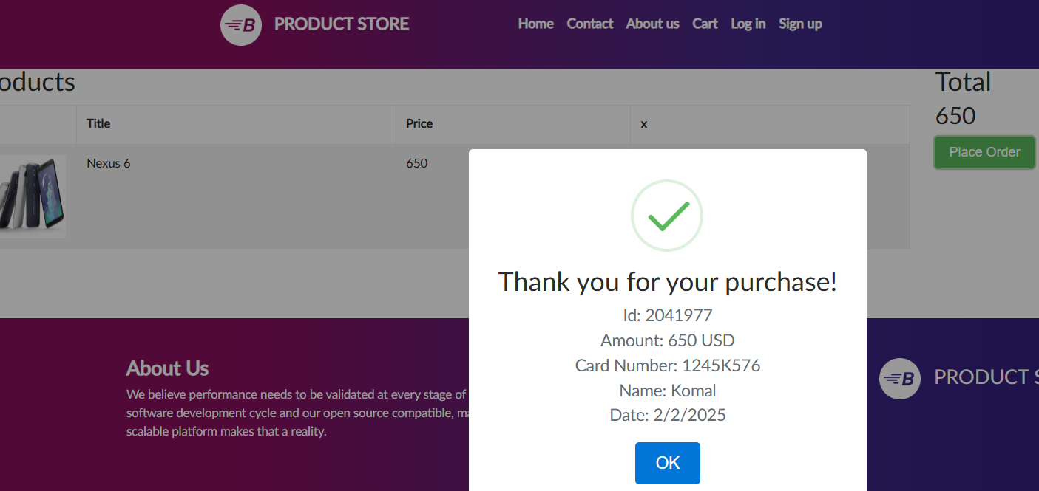
PS_0043 | Medium | User should not found account section in that site | 1.Open the Browser 2. Enter the Url - https://www.demoblaze.com | 1. Open the url 2. Go to login 3. Go to Homepage 4. Check for any available link or button for "Order History." 5.Verify that no "Order History" link is present. 6. Verify that Account link. | It should be User Friendly | Not user friendly | Fail | Puja Kumari
PS_0044 | Medium | Users verify Absence of Order History in Cart or Checkout Flow | 1.Open the Browser 2. Enter the Url - https://www.demoblaze.com | 1. Open the url 2. Go to login 3. Go to Homepage 4. Go to cart 5. click on palce order 6. Fill up all details 7.click on confirm | It should be User Friendly | Not user friendly | Fail | Puja Kumari
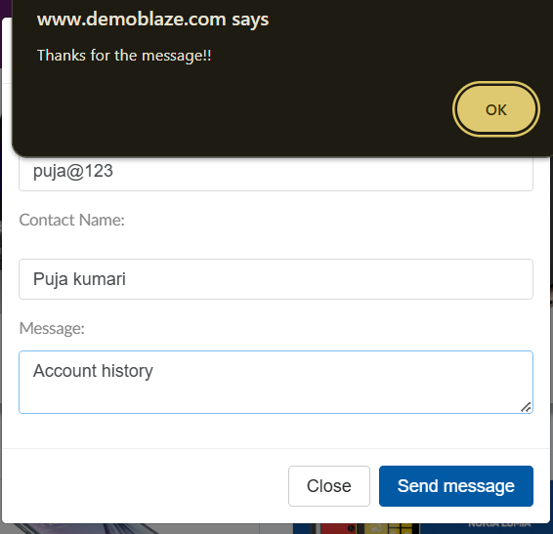
PS_0045 | High | Users should not be able to find Order history after account creation | 1.Open the Browser 2. Enter the Url - https://www.demoblaze.com | 1. Open the url 2. Go to login 3. Go to Homepage 4. Go to cart 5. click on palce order 6. Fill up all details 7.click on confirm | It should be User Friendly | Not user friendly | Fail | Puja Kumari
PS_0046 | Medium | Users try to Documentation or Contact us Section Does Not Reference Order History | 1.Open the Browser 2. Enter the Url - https://www.demoblaze.com | 1. Open the url 2. Go to login 3. Go to Homepage 4. Go to cart 5. click on contact us 6. Fill up all details | It should be User Friendly | Not user friendly | Fail | Puja Kumari
PS_0047 | Medium | Users Website's Behavior When Both Links are Missing, there should be clear error messages or alternative navigation options provided to the user. | 1.Open the Browser 2. Enter the Url - https://www.demoblaze.com | 1. Open the url 2. Go to login 3. Check if both the "Account" and "Order History" links are missing from the navigation or footer. 4. Attempt to perform actions related to account and order history (such as logging in or viewing past orders). 5. Observe the website behavior when trying to perform actions that would normally require the missing links. | It should be User Friendly | Not user friendly | Fail | Puja Kumari | https://drive.google.com/file/d/1-juBEkquqOnhAlwG4uecKAJiiFe4w4wP/view?usp=sharing
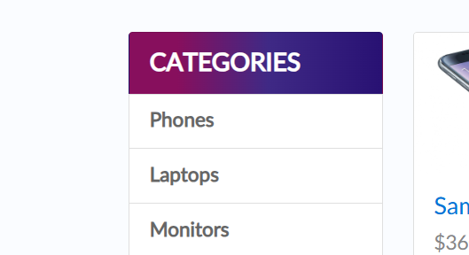
PS_0048 | Medium | Users check that the price filter correctly filters products based on a single selected price range just like $500 - $1000 | 1.Open the Browser 2. Enter the Url - https://www.demoblaze.com | 1. Open the url 2. Go to login 3. Go to Homepage 4. Locate the "Price" filter section. 5. Select a specific price range( "$500 - $1000"). 6. Observe the product listing after selecting the price range. 7. Verify that only products within the selected price range are displayed. | It should be User Friendly | Not user friendly | Fail | Puja Kumari
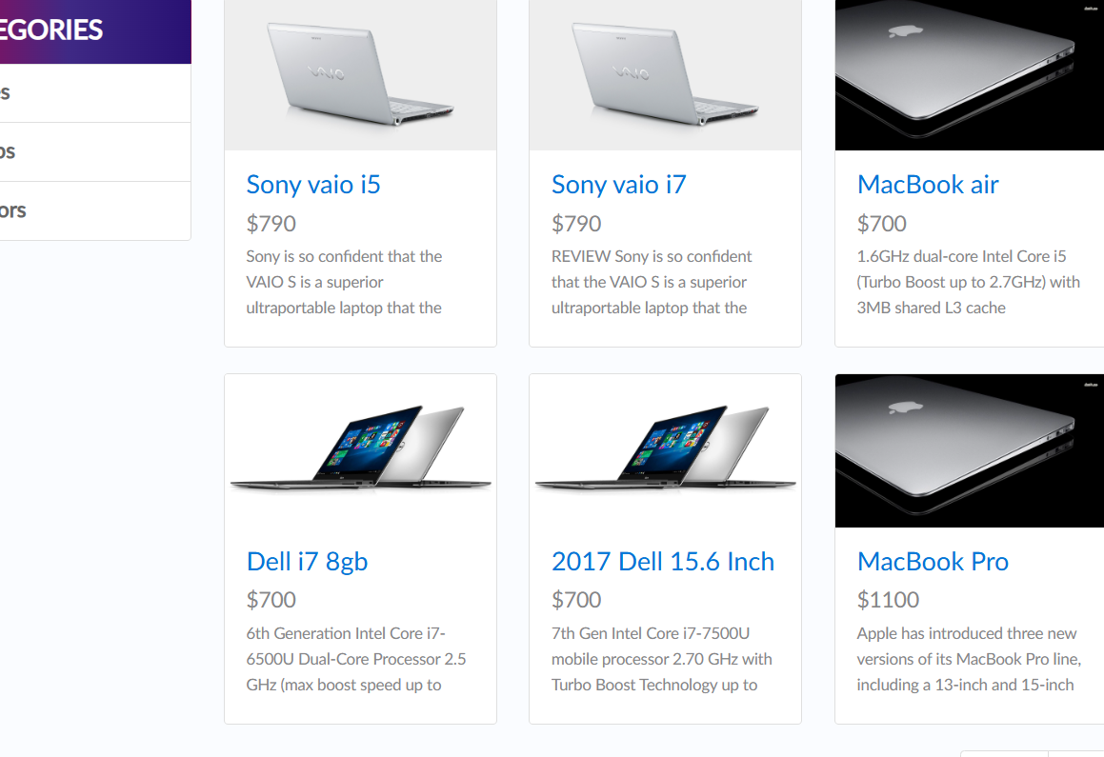
PS_0049 | Medium | If ensures that users can filter products based on a specified rating. | 1.Open the Browser 2. Enter the Url - https://www.demoblaze.com | 1. Open the url 2. Go to login 3. Go to Homepage 4. Click on home page option 5. checking all icons products 6. Checking the rating highest and lowest | It should be User Friendly | Not user friendly | Fail | Puja Kumari
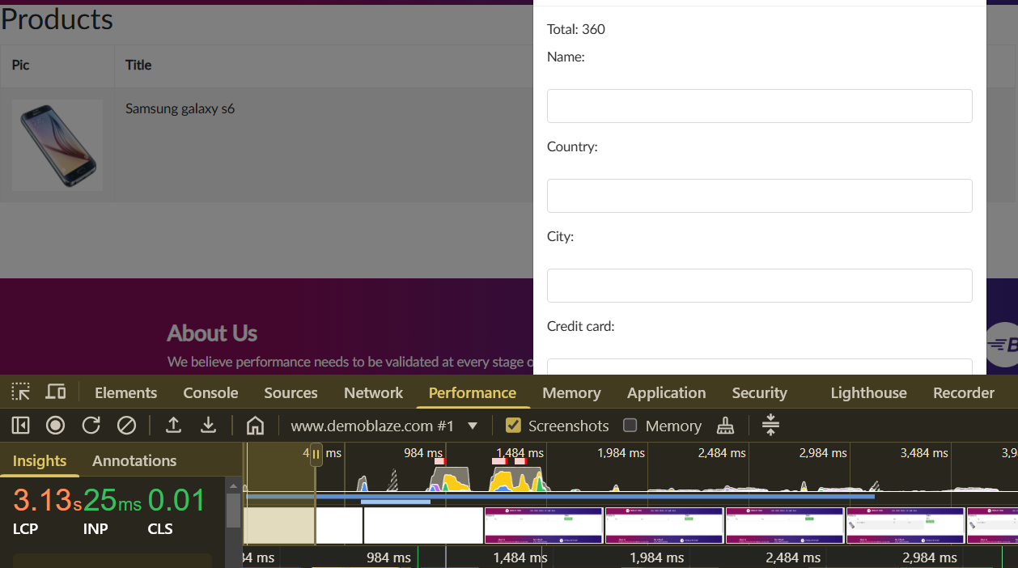
PS_0050 | Medium | When after logging out, the user should not be able to access any pages that require authentication The system not should prompt the user to log in again. | 1.Open the Browser 2. Enter the Url - https://www.demoblaze.com | 1.Log in to the website. 2.Click on the "Logout" button. 3.Attempt to access a page that requires the user to be logged in 4.Observe the system’s behavior when attempting to access the restricted page. 5. Verify that the user is redirected to the login page or shown an authentication prompt. | It should be User Friendly | Not user friendly | Fail | Puja Kumari | https://drive.google.com/file/d/1HEc_pEteEzvkaRM6ylj5cDEaRRo-txS4/view?usp=sharing
PS_0051 | Low | The checking Performance functionality Checkout process should be under 3.31 seconds. | 1.Open the Browser 2. Enter the Url - https://www.demoblaze.com | 1. Open the url 2. Go to login 3. Go to Homepage 4. Measure the page load time 5 Refresh the page 6. Click on Inspect and check performance" | It should be User Friendly | Not user friendly | Fail | Puja Kumari

